Sheet1
PBID | LP Name |  | Data Website | Change in:
11079-46 | California Public Employees Retirement System | CalPERS | https://www.calpers.ca.gov/page/investments/asset-classes/private-equity/pep-fund-performance | Track quarterly data update (all info on page will update)
11554-48 | California State Teachers' Retirement System | CalSTRS | http://www.calstrs.com/private-equity-portfolio-performance | Change in link entitled: "Private Equity Portfolio Performance as of ______"
11554-84 | Cambridge Retirement System |  | http://www.cambridgeretirementma.gov/financial-reports | Additional link to PDF "__ Quarter Report" added on bottom of page
10849-06 | Canada Pension Plan Investment Board |  | http://www.cppib.com/en/what-we-do/our-investments.htm | Change in link entitled: "Private Equity relationships established as of ____"
11600-20 | Chicago Public School Teachers' Pension & Retirement Fund | CTPF | http://www.ctpf.org/general_info/Investments.htm | An additional link added under "Quarterly Performance" heading
11563-12 | District of Columbia Retirement Board | DCRB | http://dcrb.dc.gov/service/investment-reports | An additional link added under "Quarterly Private Investment Summaries"
11607-67 | Employees' Retirement System of the State of Hawaii | HIERS | http://ers.ehawaii.gov/investments/holdings | An additional link added under the headings "Private Equity Partnerships ___" , "HiTIP

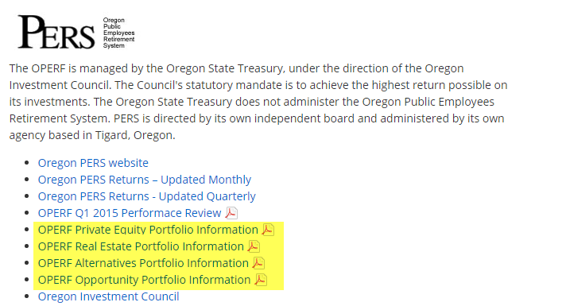
11594-89 | Oregon Public Employees' Retirement System | OPERF | http://www.oregon.gov/treasury/Divisions/Investment/Pages/Oregon-Public-Employees-Retirement-Fund.aspx

